Sheet1
Computer Hardware Worksheet
Type your answers into the yellow boxes.

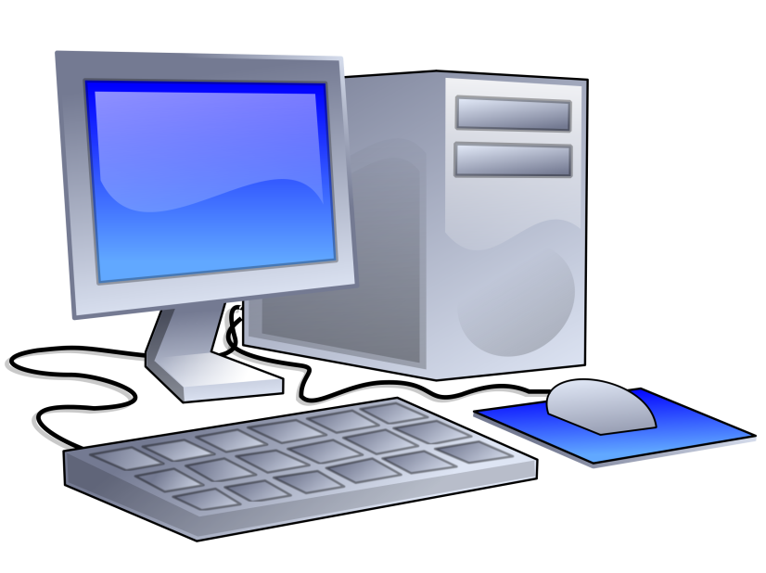
1
 |  | What are these 4 parts of a computer
 |  | that you see every day?
 | 1) | Moniter

3
 | 2) | Keyboard

 | 3) | PC

 | 4) | Mouse

4
2

 |  | Name 4 different input devices:
 | 5) | Keyboard |  | 6) | Microphone

 | 7) | Webcam |  | 8) | Mouse

 |  | Name 4 different output devices:
 | 9) | Moniter |  | 10) | Printer

 | 11) | Speakers |  | 12) | Headphones

Inside the Computer: Identify each part.
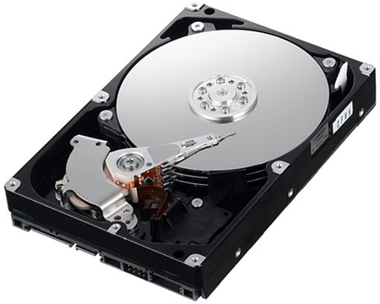

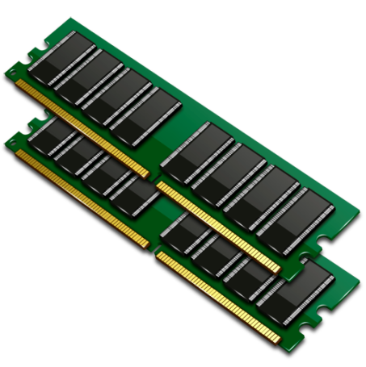

 | 13) | RAM |  | 14) | Hard Drive

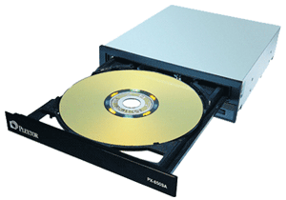

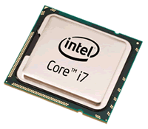

 | 15) | CPU |  | 16) | Optical disc Drive

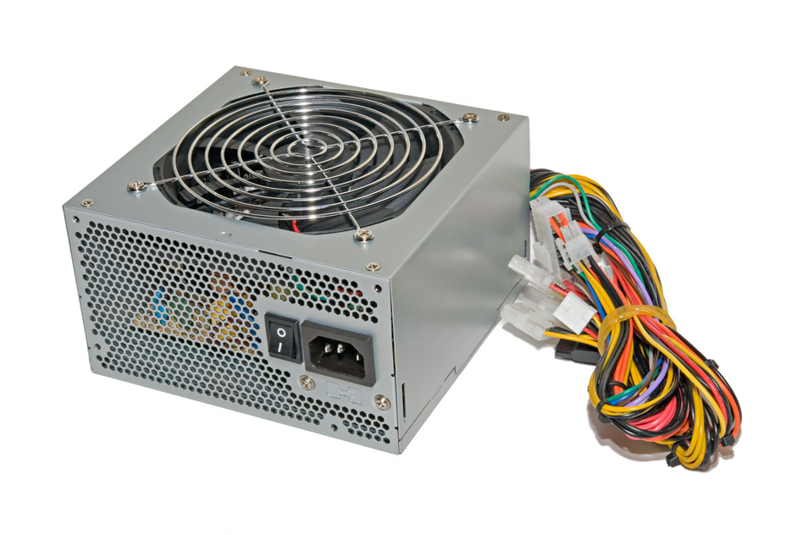

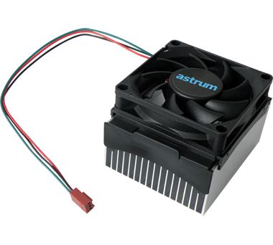

 | 17) | PSU |  | 18) | Cooling Fan

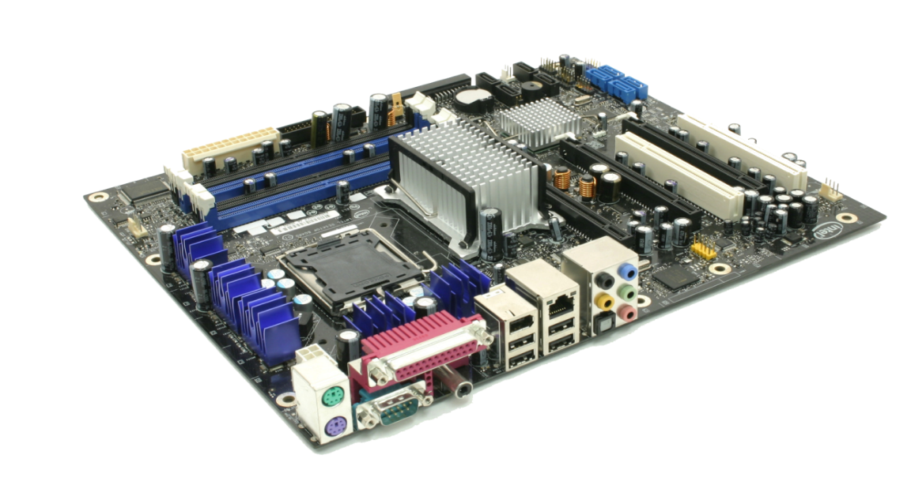
A
B
C
 |  |  |  |  |  | 19) | What is this part called?
 |  |  |  |  |  |  | Motherboard

 |  |  |  |  |  | 20) | What goes in location A?
 |  |  |  |  |  |  | RAM

 |  |  |  |  |  | 21) | What goes in location B?
 |  |  |  |  |  |  | CPU

 |  |  |  |  |  | 22) | What goes in location C?
 |  |  |  |  |  |  | PCI

Write the correct letter in each box to identify the different ports.

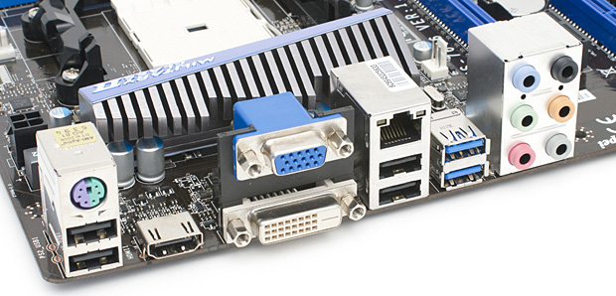

F
D

H
A
G

E
B
C

 | 23) | E | Digital Visual Interface (DVI)

 | 24) | G | Universal Serial Bus (USB) 3.0

 | 25) | B | Universal Serial Bus (USB)

 | 26) | D | Video Graphics Adapter (VGA)

 | 27) | F | Network

 | 28) | H | Audio Input/Output (Speakers, Line-in, Microphone)

 | 29) | A | PS/2 Input (Keyboard/Mouse)

 | 30) | C | High-Definition Multimedia Interface (HDMI) video/audio

